Issue Sheet
Issue Sheet |  |  |  |  |  |  |  |  |  |  |  |  |  |  |  | Rev.1.0

r | Control Information

 |  | Issue No. |  | TIP | I | A | Type |  |  | Request |  | Status
 |  | Creation Date |  | 2019-09-30 |  |  | Due Date |  |  | 2019-09-30 |  | Close Date
 |  | Priority |  | High |  |  | System |  |  | EBS |  | Application Module

r | Inquiry Information

 |  | [TIP ENDUSER/TIPISD/ME-Sui] |  |  |  |  |  | [TIPISD/ME-Sui] |  |  |  |  | [ME-Sui]
 |  |  | Request | Approval |  |  |  |  | Registration |  | Approval |  |  | Reception | Assignment
 |  | Dept. | FIA | FIA |  |  |  | Dept. |  |  |  |  | Dept.
 |  | Name | GAY MARIE TIDALGO | ROWENA GABUCAY |  |  |  | Name |  |  |  |  | Name
 |  | Date | 2019-09-30 | 2019-09-30 |  |  |  | Date |  |  |  |  | Date

 |  | Issue Category |  | Application
 |  | Title |  | Change of approver in AUTO DN/CN SYSTEM
 |  | Issue |  | Change of approver for all HDD Billing Statements/DNCN (M10) from E. Leyban (z1270tip) to G. Tidalgo (z6191tip) Effectivity : October 2019

**PLEASE FILL OUT ORANGE SHEETS ALSO**

 |  | Reason |  | New accounting in-charge

 |  | Detail Attachment |  | No |  |  | Link to Attachment Sheet

r | Investigation Information

 |  | [TIPISD/ME-Sui] |  |  |  |  |  | [TIPISD/ME-Sui] |  |  |  |  | [TIP ENDUSER]
 |  |  | Investigation | Approval |  |  |  |  | Confirmation |  | Approval |  |  | Confirmation | Approval
 |  | Dept. |  |  |  |  |  | Dept. |  |  |  |  | Dept.
 |  | Name |  |  |  |  |  | Name |  |  |  |  | Name
 |  | Date |  |  |  |  |  | Date |  |  |  |  | Date

 |  | Cause Category
 |  | Cause

 |  | Workaround and Countermeasure

 |  | Detail Attachement |  |  |  |  | Link to Attachment Sheet

r | Actual Operation Information
 |  | [TIPISD/ME-Sui] |  |  |  |  |  | [TIPISD/ME-Sui] |  |  |  |  | [TIP ENDUSER]
 |  |  | Operation | Approval |  |  |  |  | Confirmation |  | Approval |  |  | Confirmation | Approval
 |  | Dept. |  |  |  |  |  | Dept. |  |  |  |  | Dept.
 |  | Name |  |  |  |  |  | Name |  |  |  |  | Name
 |  | Date |  |  |  |  |  | Date |  |  |  |  | Date

 |  | Actual Operation

 |  | Evidence Attachment |  |  |  |  | Link to Attachment Sheet

Actual Operation Evidence
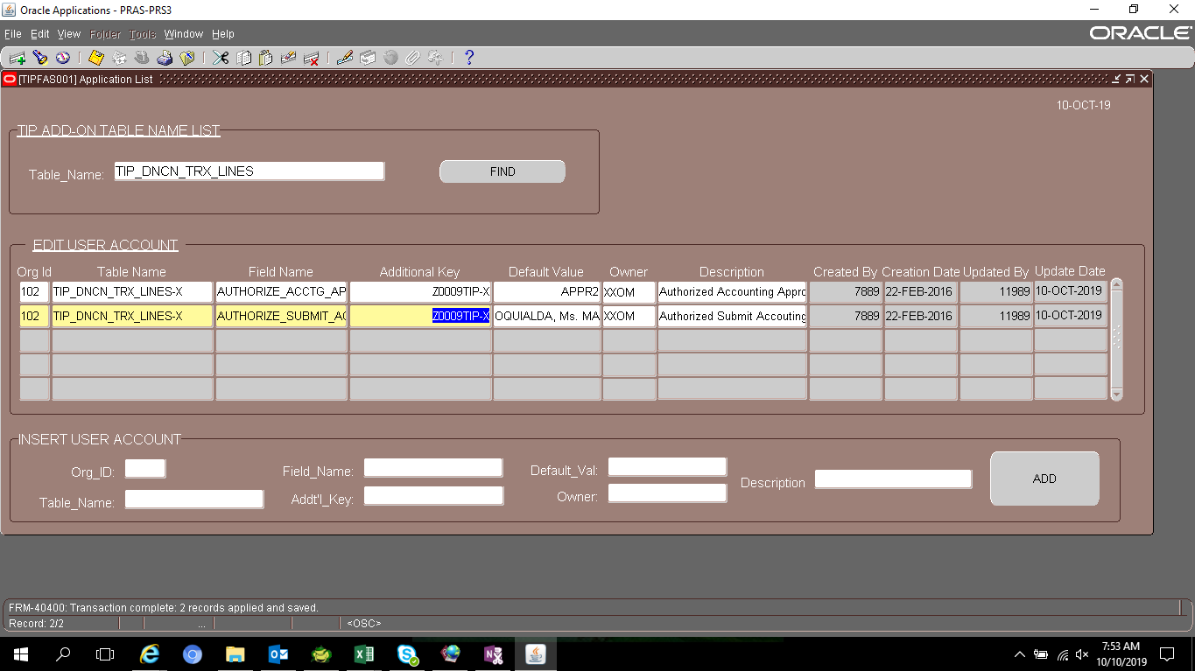
Actual Operation Evidence

 | select *
 | from tip_default_values
 | where table_name = 'TIP_DNCN_TRX_LINES'
 | and (field_name = 'DEFAULT_ACCT_CHKR'
 | or field_name = 'AUTHORIZE_ACCTG_APPR')

 | ORGANIZATION_ID | TABLE_NAME | FIELD_NAME | ADDITIONAL_KEY | DEFAULT_VALUE | CREATED_BY | CREATION_DATE | LAST_UPDATED_BY | LAST_UPDATE_DATE | OWNER | DESCRIPTION
 | 102 | TIP_DNCN_TRX_LINES | AUTHORIZE_ACCTG_APPR | Z0009TIP | APPR2 | 7889 | 2/22/2016 12:46:29 PM | 7889 | 1/8/2018 | XXOM | Authorized Accounting Approver 2
 | 102 | TIP_DNCN_TRX_LINES | AUTHORIZE_ACCTG_APPR | Z0292TIP | APPR1 | 7889 | 2/22/2016 12:44:50 PM | 7889 | 2/22/2016 12:44:50 PM | XXOM | Authorized Accounting Approver 1
 | 102 | TIP_DNCN_TRX_LINES | DEFAULT_ACCT_CHKR | Z1270TIP | mHDD | 7889 | 2/22/2016 12:42:19 PM | 7889 | 12/20/2017 | XXOM | mHDD Default Accounting Checker
 | 127 | TIP_DNCN_TRX_LINES | DEFAULT_ACCT_CHKR | Z6191TIP | eHDD | 7889 | 2/22/2016 12:39:51 PM | 11989 | 10/2/2018 | XXOM | eHDD Default Accounting Checker
 | 102 | TIP_DNCN_TRX_LINES | DEFAULT_ACCT_CHKR | Z6992TIP | DEFAULT | -1 | 7/4/2006 11:00:05 AM | 11989 | 10/2/2018 | XXOM | Admin & c/eSSD Default Accounting Checker

 | USER_ID | USER_NAME | DESCRIPTION
 | 4417 | Z1270TIP | LEYBAN, Ms. ESPER DE CASTRO(T090593107E0011)
 | 7665 | Z6191TIP | TIDALGO, Ms. GAY MARIE DRAGON(T090593115D0005)
 | 12672 | Z6992TIP | ROCETA, Ms. CHERRY PEARL PERILLA (T090593117M0011)

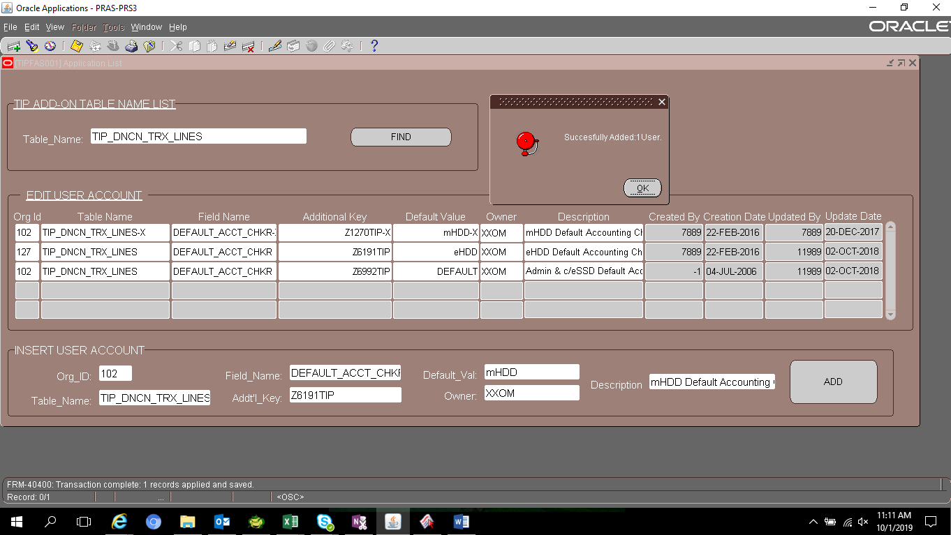

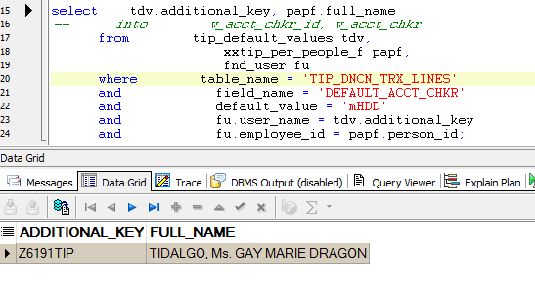

 | SELECT *
 | FROM tip_default_values
 | WHERE table_name = 'TIP_DNCN_TRX_LINES'

 | ORGANIZATION_ID | TABLE_NAME | FIELD_NAME | ADDITIONAL_KEY | DEFAULT_VALUE | CREATED_BY | CREATION_DATE | LAST_UPDATED_BY | LAST_UPDATE_DATE | OWNER | DESCRIPTION
 | 102 | TIP_DNCN_TRX_LINES | AUTHORIZE_AP_ACCT_USER | Z1270TIP | LEYBAN, Ms. ESPER DE CASTRO | -1 | 7/4/2006 11:00:06 AM | 7889 | 11/24/2015 | XXOM | Authorized AP Accounting User
 | 102 | TIP_DNCN_TRX_LINES | AUTHORIZE_SUBMIT_ACCT_USER | Z1270TIP | LEYBAN, Ms. ESPER DE CASTRO | -1 | 7/4/2006 11:00:06 AM | 7889 | 11/24/2015 | XXOM | Authorized Submit Accouting User
 | 102 | TIP_DNCN_TRX_LINES | AUTHORIZE_SYSTEM_CHKR | Z3744TIP | Juan Miguel Isip | -1 | 7/4/2006 11:00:06 AM | -1 | 6/12/2014 | XXOM | Authorized Submit Accouting User
 | 102 | TIP_DNCN_TRX_LINES | DEFAULT_ACCT_CHKR | Z6992TIP | DEFAULT | -1 | 7/4/2006 11:00:05 AM | 11989 | 10/2/2018 | XXOM | Admin & c/eSSD Default Accounting Checker
 | 101 | TIP_DNCN_TRX_LINES | RESPONSIBILITY | RESPONSIBILITY_KEY | XXTIP_AUTO_DN/CN_SYSTEM | -1 | 10/8/2014 9:28:35 AM | -1 | 10/8/2014 9:28:35 AM | XXOM | Responsbility Key
 | 102 | TIP_DNCN_TRX_LINES | AUTHORIZE_AP_ACCT_USER | Z6992TIP | ROCETA, Ms. CHERRY PEARL PERILLA | 7889 | 11/7/2016 4:12:33 PM | 11989 | 10/2/2018 | XXOM | Authorized AP Accounting User
 | 102 | TIP_DNCN_TRX_LINES | AUTHORIZE_SUBMIT_ACCT_USER | Z6992TIP | ROCETA, Ms. CHERRY PEARL PERILLA | 7889 | 11/7/2016 4:14:20 PM | 11989 | 10/2/2018 | XXOM | Authorized Submit Accouting User
 | 127 | TIP_DNCN_TRX_LINES | DEFAULT_ACCT_CHKR | Z6191TIP | eHDD | 7889 | 2/22/2016 12:39:51 PM | 11989 | 10/2/2018 | XXOM | eHDD Default Accounting Checker
 | 127 | TIP_DNCN_TRX_LINES | AUTHORIZE_SUBMIT_ACCT_USER | Z6191TIP | TIDALGO, Ms. GAY MARIE DRAGON | 7889 | 2/22/2016 12:43:13 PM | 11989 | 10/2/2018 | XXOM | Authorized Submit Accouting User
 | 127 | TIP_DNCN_TRX_LINES | AUTHORIZE_AP_ACCT_USER | Z6191TIP | TIDALGO, Ms. GAY MARIE DRAGON | 7889 | 2/22/2016 12:43:56 PM | 11989 | 10/2/2018 | XXOM | Authorized AP Accounting User
 | 102 | TIP_DNCN_TRX_LINES | AUTHORIZE_ACCTG_APPR | Z0292TIP | APPR1 | 7889 | 2/22/2016 12:44:50 PM | 7889 | 2/22/2016 12:44:50 PM | XXOM | Authorized Accounting Approver 1
 | 102 | TIP_DNCN_TRX_LINES | AUTHORIZE_SUBMIT_ACCT_USER | Z0292TIP | GABUCAY, Ms. ROWENA CECILIO | 7889 | 2/22/2016 12:45:37 PM | 7889 | 2/22/2016 12:45:37 PM | XXOM | Authorized Submit Accouting User
 | 102 | TIP_DNCN_TRX_LINES | AUTHORIZE_ACCTG_APPR | Z0009TIP | APPR2 | 7889 | 2/22/2016 12:46:29 PM | 7889 | 1/8/2018 | XXOM | Authorized Accounting Approver 2
 | 102 | TIP_DNCN_TRX_LINES | AUTHORIZE_SUBMIT_ACCT_USER | Z0009TIP | OQUIALDA, Ms. MARIA NENOCA OCO | 7889 | 2/22/2016 12:47:17 PM | 7889 | 1/8/2018 | XXOM | Authorized Submit Accouting User
 | 102 | TIP_DNCN_TRX_LINES | BU_CODE | Admin | A99 | 7889 | 2/22/2016 12:48:04 PM | 7889 | 2/22/2016 12:48:04 PM | XXOM | BU Code
 | 102 | TIP_DNCN_TRX_LINES | BU_CODE | SSC | A60 | 7889 | 2/22/2016 12:48:37 PM | 7889 | 2/22/2016 12:48:37 PM | XXOM | BU Code
 | 102 | TIP_DNCN_TRX_LINES | BU_CODE | cSSD | C40 | 7889 | 2/22/2016 12:49:11 PM | 7889 | 2/22/2016 12:49:11 PM | XXOM | BU Code
 | 102 | TIP_DNCN_TRX_LINES | BU_CODE | eHDD_E20 | E20 | 7889 | 2/22/2016 12:49:56 PM | 7889 | 2/22/2016 12:49:56 PM | XXOM | BU Code
 | 102 | TIP_DNCN_TRX_LINES | BU_CODE | eHDD_E30 | E30 | 7889 | 2/22/2016 12:50:34 PM | 7889 | 2/22/2016 12:50:34 PM | XXOM | BU Code
 | 102 | TIP_DNCN_TRX_LINES | BU_CODE | eSSD | S30 | 7889 | 2/22/2016 12:51:27 PM | 7889 | 2/22/2016 12:51:27 PM | XXOM | BU Code
 | 102 | TIP_DNCN_TRX_LINES | BU_CODE | mHDD | M10 | 7889 | 2/22/2016 12:52:07 PM | 7889 | 2/22/2016 12:52:07 PM | XXOM | BU Code
 | 102 | TIP_DNCN_TRX_LINES | DEFAULT_ACCT_CHKR | Z6191TIP | mHDD | 11989 | 10/1/2019 11:11:36 AM | 11989 | 10/1/2019 11:11:36 AM | XXOM | mHDD Default Accounting Checker

 | ORGANIZATION_ID | TABLE_NAME | FIELD_NAME | ADDITIONAL_KEY | DEFAULT_VALUE | CREATED_BY | CREATION_DATE | LAST_UPDATED_BY | LAST_UPDATE_DATE | OWNER | DESCRIPTION
 | 102 | TIP_DNCN_TRX_LINES | AUTHORIZE_ACCTG_APPR | Z0009TIP | APPR2 | 7889 | 2/22/2016 12:46:29 PM | 7889 | 1/8/2018 | XXOM | Authorized Accounting Approver 2
 | 102 | TIP_DNCN_TRX_LINES | AUTHORIZE_SUBMIT_ACCT_USER | Z0009TIP | OQUIALDA, Ms. MARIA NENOCA OCO | 7889 | 2/22/2016 12:47:17 PM | 7889 | 1/8/2018 | XXOM | Authorized Submit Accouting User

Helpdesk Request
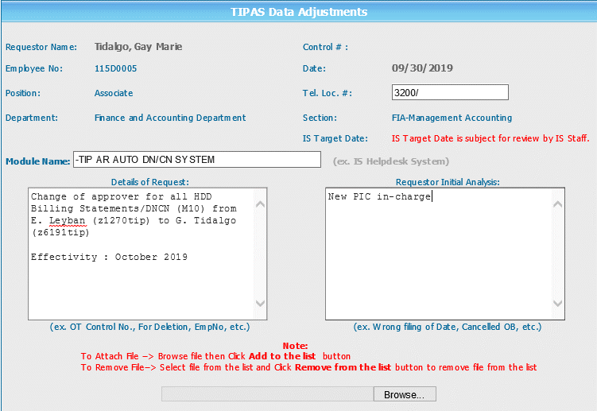
Helpdesk Request

 | ATTACH SCREENSHOT OF HELPDESK REQUEST.

